Threat Profile
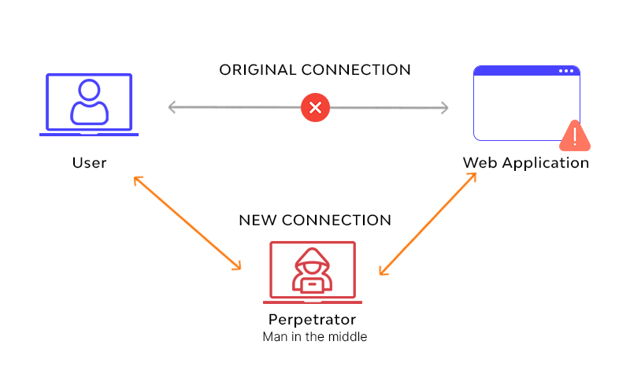

 | MAN IN THE MIDDLE

 | MOTIVE | Steal personal information, login credentials, account details, and credit card numbers.
 | PRIMARY INTENT | Identity theft, unapproved fund transfers, or illicit password change.
 | SPONSORSHIP | A single perpetrator.
 | PREFERRED GENERAL TARGET CHAR. | None.
 | PREFERRED TARGET | Customers bank accounts.
 | CAPABILITY | High Personal skills, Great knowledge of information systems, Programming experience.
 | RISK TOLERANCE | High - Generally, perpetrators are masterminds.
 | COLLATERAL DAMAGE | Low

https://www.imperva.com/learn/application-security/man-in-the-middle-attack-mitm/

Standard Deviation
Lower | Upper | Mean | Standard Deviation | Potential Loss
$43,030 | $31,420,000 | $15,554,348 | 0.95 | $15,554,347.36
$43,030 | $31,420,000 | $15,554,348 | 0.95 | $15,554,347.48
$43,030 | $31,420,000 | $15,554,348 | 0.95 | $15,554,348.00
Man in the Middle
$43,030 | $31,420,000 | $15,554,348 | 0.95 | $15,554,346.63
$43,030 | $31,420,000 | $15,554,348 | 0.95 | $15,554,349.46
$43,030 | $31,420,000 | $15,554,348 | 0.95 | $15,554,348.73
$43,030 | $31,420,000 | $15,554,348 | 0.95 | $15,554,349.49
$43,030 | $31,420,000 | $15,554,348 | 0.95 | $15,554,349.03
$43,030 | $31,420,000 | $15,554,348 | 0.95 | $15,554,348.25
$43,030 | $31,420,000 | $15,554,348 | 0.95 | $15,554,348.37
$43,030 | $31,420,000 | $15,554,348 | 0.95 | $15,554,347.81
$43,030 | $31,420,000 | $15,554,348 | 0.95 | $15,554,348.80
$43,030 | $31,420,000 | $15,554,348 | 0.95 | $15,554,346.95
$43,030 | $31,420,000 | $15,554,348 | 0.95 | $15,554,349.30
$43,030 | $31,420,000 | $15,554,348 | 0.95 | $15,554,348.26
$43,030 | $31,420,000 | $15,554,348 | 0.95 | $15,554,350.56
$43,030 | $31,420,000 | $15,554,348 | 0.95 | $15,554,349.49
$43,030 | $31,420,000 | $15,554,348 | 0.95 | $15,554,348.13
$43,030 | $31,420,000 | $15,554,348 | 0.95 | $15,554,348.88
$43,030 | $31,420,000 | $15,554,348 | 0.95 | $15,554,347.59
$43,030 | $31,420,000 | $15,554,348 | 0.95 | $15,554,349.23
$43,030 | $31,420,000 | $15,554,348 | 0.95 | $15,554,349.68
$43,030 | $31,420,000 | $15,554,348 | 0.95 | $15,554,348.02
$43,030 | $31,420,000 | $15,554,348 | 0.95 | $15,554,350.59
$43,030 | $31,420,000 | $15,554,348 | 0.95 | $15,554,350.21
$43,030 | $31,420,000 | $15,554,348 | 0.95 | $15,554,348.79
$43,030 | $31,420,000 | $15,554,348 | 0.95 | $15,554,348.24
$43,030 | $31,420,000 | $15,554,348 | 0.95 | $15,554,347.48
$43,030 | $31,420,000 | $15,554,348 | 0.95 | $15,554,346.77
$43,030 | $31,420,000 | $15,554,348 | 0.95 | $15,554,349.91
$43,030 | $31,420,000 | $15,554,348 | 0.95 | $15,554,346.73
$43,030 | $31,420,000 | $15,554,348 | 0.95 | $15,554,347.59
$43,030 | $31,420,000 | $15,554,348 | 0.95 | $15,554,347.58
$43,030 | $31,420,000 | $15,554,348 | 0.95 | $15,554,347.54
$43,030 | $31,420,000 | $15,554,348 | 0.95 | $15,554,348.57
$43,030 | $31,420,000 | $15,554,348 | 0.95 | $15,554,346.96
$43,030 | $31,420,000 | $15,554,348 | 0.95 | $15,554,348.97
$43,030 | $31,420,000 | $15,554,348 | 0.95 | $15,554,349.61
$43,030 | $31,420,000 | $15,554,348 | 0.95 | $15,554,347.61
$43,030 | $31,420,000 | $15,554,348 | 0.95 | $15,554,347.71
$43,030 | $31,420,000 | $15,554,348 | 0.95 | $15,554,349.80
$43,030 | $31,420,000 | $15,554,348 | 0.95 | $15,554,346.59
$43,030 | $31,420,000 | $15,554,348 | 0.95 | $15,554,347.29
$43,030 | $31,420,000 | $15,554,348 | 0.95 | $15,554,349.07
$43,030 | $31,420,000 | $15,554,348 | 0.95 | $15,554,348.77
$43,030 | $31,420,000 | $15,554,348 | 0.95 | $15,554,348.07
$43,030 | $31,420,000 | $15,554,348 | 0.95 | $15,554,347.78
$43,030 | $31,420,000 | $15,554,348 | 0.95 | $15,554,348.01
$43,030 | $31,420,000 | $15,554,348 | 0.95 | $15,554,348.96

Expected Loss | $20,842,899 |  | Average | $15,554,348.38

Expected Loss
Lower Bound | LN(Lower Bound) | Upper Bound | LN(Upper Bound) | Mean LN(X) | Standard Deviation LN(X) | Expected Loss
$43,030 | 10.669652826 | $31,420,000 | 17.262955191 | 13.966304008 | 2.004043272 | 1945729.2174
$43,030 | 10.669652826 | $31,420,000 | 17.262955191 | 13.966304008 | 2.004043272 | 10580325.779
$43,030 | 10.669652826 | $31,420,000 | 17.262955191 | 13.966304008 | 2.004043272 | 866890.61925
$43,030 | 10.669652826 | $31,420,000 | 17.262955191 | 13.966304008 | 2.004043272 | 6212584.3903
$43,030 | 10.669652826 | $31,420,000 | 17.262955191 | 13.966304008 | 2.004043272 | 193146819.82
$43,030 | 10.669652826 | $31,420,000 | 17.262955191 | 13.966304008 | 2.004043272 | 7497589.3883
$43,030 | 10.669652826 | $31,420,000 | 17.262955191 | 13.966304008 | 2.004043272 | 1647119.3412
$43,030 | 10.669652826 | $31,420,000 | 17.262955191 | 13.966304008 | 2.004043272 | 5830971.3953
$43,030 | 10.669652826 | $31,420,000 | 17.262955191 | 13.966304008 | 2.004043272 | 1205878.4018
$43,030 | 10.669652826 | $31,420,000 | 17.262955191 | 13.966304008 | 2.004043272 | 8513900.3211
$43,030 | 10.669652826 | $31,420,000 | 17.262955191 | 13.966304008 | 2.004043272 | 6646705.2997
$43,030 | 10.669652826 | $31,420,000 | 17.262955191 | 13.966304008 | 2.004043272 | 30807.929722
$43,030 | 10.669652826 | $31,420,000 | 17.262955191 | 13.966304008 | 2.004043272 | 1529256.3472
$43,030 | 10.669652826 | $31,420,000 | 17.262955191 | 13.966304008 | 2.004043272 | 3442525.0381
$43,030 | 10.669652826 | $31,420,000 | 17.262955191 | 13.966304008 | 2.004043272 | 5814518.8303
$43,030 | 10.669652826 | $31,420,000 | 17.262955191 | 13.966304008 | 2.004043272 | 1211976.7598
$43,030 | 10.669652826 | $31,420,000 | 17.262955191 | 13.966304008 | 2.004043272 | 7241917.3659
$43,030 | 10.669652826 | $31,420,000 | 17.262955191 | 13.966304008 | 2.004043272 | 77306.694817
$43,030 | 10.669652826 | $31,420,000 | 17.262955191 | 13.966304008 | 2.004043272 | 899001.43061
$43,030 | 10.669652826 | $31,420,000 | 17.262955191 | 13.966304008 | 2.004043272 | 7242848.7583
$43,030 | 10.669652826 | $31,420,000 | 17.262955191 | 13.966304008 | 2.004043272 | 1938471.4977
$43,030 | 10.669652826 | $31,420,000 | 17.262955191 | 13.966304008 | 2.004043272 | 37439.502112
$43,030 | 10.669652826 | $31,420,000 | 17.262955191 | 13.966304008 | 2.004043272 | 463426.84832
$43,030 | 10.669652826 | $31,420,000 | 17.262955191 | 13.966304008 | 2.004043272 | 222826.09347
$43,030 | 10.669652826 | $31,420,000 | 17.262955191 | 13.966304008 | 2.004043272 | 2904961.8014
$43,030 | 10.669652826 | $31,420,000 | 17.262955191 | 13.966304008 | 2.004043272 | 57992.418174
$43,030 | 10.669652826 | $31,420,000 | 17.262955191 | 13.966304008 | 2.004043272 | 8529103.6062
$43,030 | 10.669652826 | $31,420,000 | 17.262955191 | 13.966304008 | 2.004043272 | 842161.29775
$43,030 | 10.669652826 | $31,420,000 | 17.262955191 | 13.966304008 | 2.004043272 | 12945965.189
$43,030 | 10.669652826 | $31,420,000 | 17.262955191 | 13.966304008 | 2.004043272 | 32044257.859
$43,030 | 10.669652826 | $31,420,000 | 17.262955191 | 13.966304008 | 2.004043272 | 6620635.0603
$43,030 | 10.669652826 | $31,420,000 | 17.262955191 | 13.966304008 | 2.004043272 | 2829125.0797
$43,030 | 10.669652826 | $31,420,000 | 17.262955191 | 13.966304008 | 2.004043272 | 229455.85769
$43,030 | 10.669652826 | $31,420,000 | 17.262955191 | 13.966304008 | 2.004043272 | 4797230.0912
$43,030 | 10.669652826 | $31,420,000 | 17.262955191 | 13.966304008 | 2.004043272 | 6400549.4433
$43,030 | 10.669652826 | $31,420,000 | 17.262955191 | 13.966304008 | 2.004043272 | 28966256.476
$43,030 | 10.669652826 | $31,420,000 | 17.262955191 | 13.966304008 | 2.004043272 | 29329102.334
$43,030 | 10.669652826 | $31,420,000 | 17.262955191 | 13.966304008 | 2.004043272 | 98911.172081
$43,030 | 10.669652826 | $31,420,000 | 17.262955191 | 13.966304008 | 2.004043272 | 617480.56576
$43,030 | 10.669652826 | $31,420,000 | 17.262955191 | 13.966304008 | 2.004043272 | 15942874.881
$43,030 | 10.669652826 | $31,420,000 | 17.262955191 | 13.966304008 | 2.004043272 | 19256701.646
$43,030 | 10.669652826 | $31,420,000 | 17.262955191 | 13.966304008 | 2.004043272 | 60379.726943
$43,030 | 10.669652826 | $31,420,000 | 17.262955191 | 13.966304008 | 2.004043272 | 563925.17705
$43,030 | 10.669652826 | $31,420,000 | 17.262955191 | 13.966304008 | 2.004043272 | 463392.79095
$43,030 | 10.669652826 | $31,420,000 | 17.262955191 | 13.966304008 | 2.004043272 | 411967.35796
$43,030 | 10.669652826 | $31,420,000 | 17.262955191 | 13.966304008 | 2.004043272 | 118703.7092
$43,030 | 10.669652826 | $31,420,000 | 17.262955191 | 13.966304008 | 2.004043272 | 8572427.0074
$43,030 | 10.669652826 | $31,420,000 | 17.262955191 | 13.966304008 | 2.004043272 | 2381006.7521
$43,030 | 10.669652826 | $31,420,000 | 17.262955191 | 13.966304008 | 2.004043272 | 55589.932488

AVG | $9,373,204

Recommendations
RECOMMENDATIONS

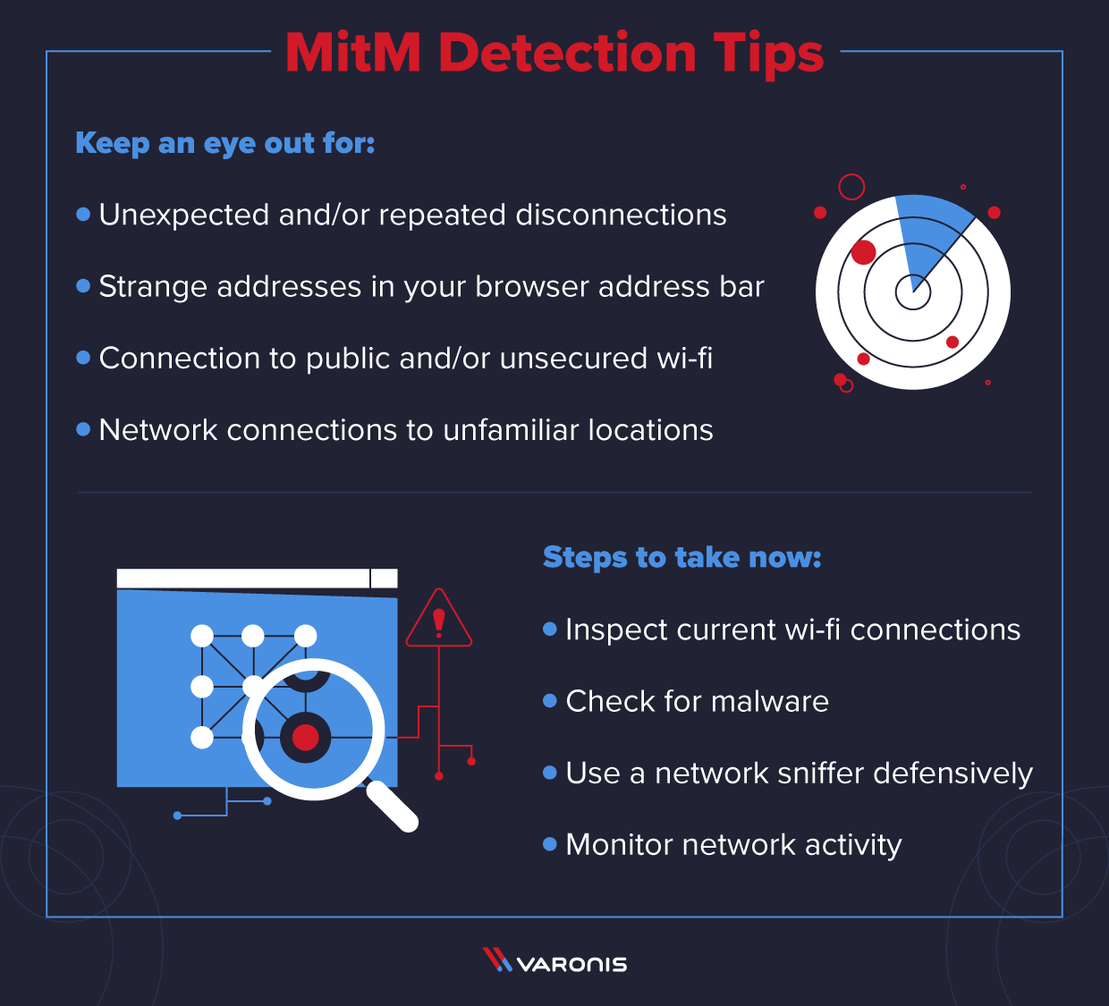
 |  |  |  |  | The best way to stop MITM attacks is to take preventive steps…

 |  |  |  |  | 1) Create secure connections;
 |  |  |  |  | A secure internet connection is the first line of defense. To that end
 |  |  |  |  | only visit websites with a secure HTTP connection using Secure Socket
 |  |  |  |  | Layer technology.

 |  |  |  |  | 2) Create a Virtual Private Network;
 |  |  |  |  | It encrypts the data users send online. The encryption stops the MITM
 |  |  |  |  | attack from infiltrating the network traffic. Even if a criminal manages
 |  |  |  |  | to access the network, the encrypted data blocks them from reading
 |  |  |  |  | the messages or knowing which websites users are goint to.

 |  |  |  |  | 3) Endpoint security;
 |  |  |  |  | Leveraging strong endpoint security software to check potentially
 |  |  |  |  | dangerous websites and emails to help avoid falling victim to a cyberattack.

 |  |  |  |  | 4) Education;
 |  |  |  |  | Educate staff members, particularly remote workers, about the dangers of a MITM attack. The more safe online habits are built, the less likely the business will suffer consequences from cyberattacks.

 | Min | AVG | ML | Max
Primary |  |  |  |  | A man in the middle, it a type of attack in which the attacker secretly intercepts and relays messages
Loss Event/Year | 0.1 | 0.53 | 0.5 | 1 | between two parties who believe they are communicating directly with each other.
Loss Magnitude | $13,000 | $67,667 | $40,000 | $150,000
Secondary |  |  |  |  | During the attack, cybercriminals insert themselves in the middle of data transactions or online communication.
Loss Event/Year | 0.1 | 0.53 | 0.5 | 1 | Through the distribution of malware, the attacker gains easy access to the user's web browser and
Loss Magnitude | $30,030 | $15,486,682 | $15,160,015 | $31,270,000 | the data it sends and receives during transactions.
Total Loss Exposure | $43,030 | $15,554,348 | $15,200,015 | $31,420,000

 |  |  |  |  | On average, MITM attacks cost roughly $15M every 5 years to corportations.

